Лист2
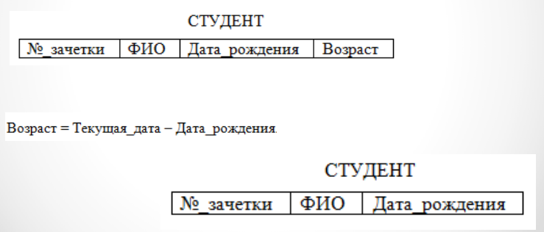

1Н
№_зачетки | ФИО | Дата_рождения | Возраст
1 | Иванов И.А. | 1996-09-05 | 26
2 | Евремов П.Р. | 1997-01-03 | 25
3 | Кочкова М.А. | 1996-04-12 | 26

2Н
ID | №_зачетки | ФИО | Дата_рождения
1 | 8735845 | Иванов И.А. | 1996-09-05
2 | 9843285 | Евремов П.Р. | 1997-01-03
3 | 8388543 | Кочкова М.А. | 1996-04-12

3Н
СтудентID | ФИО | Дата рождения
1 | Иванов И.А. | 1996-09-05
2 | Евремов П.Р. | 1997-01-03
3 | Кочкова М.А. | 1996-04-12

общая
СтудентID | №_зачетки
1 | 8735845
2 | 9843285
3 | 8388543

Лист5


1Н
client_id | first_name | last_name | province | city | postal_code
23 | Khalid | Boulahrouz | Noord-Holland | Alkmaar | 1825HH
24 | ZunEdine | Zidane | Noord-Holland | Langedijk | 1834DK
25 | Ruud | van Nistelrooy | Noord-Holland | Schermer | 1844JJ
19 | Philip | Cocu | Noord-Holland | Heilo | 1850WI

2Н
id | client_id | first_name | last_name | province | city | postal_code
1 | 23 | Khalid | Boulahrouz | Noord-Holland | Alkmaar | 1825HH
2 | 24 | ZunEdine | Zidane | Noord-Holland | Langedijk | 1834DK
3 | 25 | Ruud | van Nistelrooy | Noord-Holland | Schermer | 1844JJ
4 | 19 | Philip | Cocu | Noord-Holland | Heilo | 1850WI

3Н
client_id | first_name | last_name |  | provenceID | province |  | cityID | city | postal_code
23 | Khalid | Boulahrouz |  | 1 | Noord-Holland |  | 1 | Alkmaar | 1825HH
24 | ZunEdine | Zidane |  |  |  |  | 2 | Langedijk | 1834DK
25 | Ruud | van Nistelrooy |  |  |  |  | 3 | Schermer | 1844JJ
19 | Philip | Cocu |  |  |  |  | 4 | Heilo | 1850WI

общая
id | client_id | provenceID | cityID
1 | 23 | 1 | 1
2 | 24 | 1 | 2
3 | 25 | 1 | 3
4 | 19 | 1 | 4

Лист6
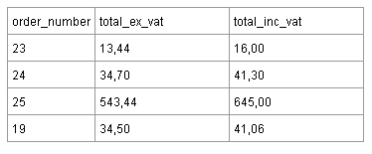

1Н
order_number | total_ex_vat | total_inc_vat
23 | 13.44 | 16.00
24 | 34.70 | 41.30
25 | 543.44 | 645.00
19 | 34.50 | 41.06

2Н=3Н
id | order_number | total_ex_vat
1 | 23 | 13.44
2 | 24 | 34.70
3 | 25 | 543.44
4 | 19 | 34.50

